industry comp -filtered
Companies are further filtered by more detailed sector:
semiconductor - Computing
Semicondudctor - Anolog
in total there's 80 selected

Company Name | Payout Ratio [LTM] (%) | Est. Annual EPS Growth - 2 Yr % | Est. Annual EPS Growth - 1 Yr % | 1 Year Beta | 5 Year Beta | Geographic Locations | PEG Ratio [Forward -NTM]
Entergy Corporation (NYSE:ETR) | 147.7 | -0.11 | -0.02 | 0.22 | 0.39 | United States of America (Primary) | 5.44
Leidos Holdings, Inc. (NYSE:LDOS) | 39.3 | 0.13 | 0.17 | 0.98 | 1.68 | United States of America (Primary) | 1.33
Broadcom Inc. (NasdaqGS:AVGO) | 24.5 | 0.12 | 0.1 | 0.85 | 0.97 | United States of America (Primary) | 0.84
Oclaro, Inc. | 0 | 0 | 0 | 0.04 | 0.52 | United States of America (Primary) | 1.12
Cerner Corporation (NasdaqGS:CERN) | 0 | 0.06 | 0.03 | 1.18 | 0.99 | United States of America (Primary) | 1.61
Raytheon Company (NYSE:RTN) | 38.8 | 0.24 | 0.31 | 0.8 | 0.82 | United States of America (Primary) | 1.12
First Solar, Inc. (NasdaqGS:FSLR) | 0 | 0.02 | -0.41 | 0.93 | 1.36 | United States of America (Primary) | 1.18
Becton, Dickinson and Company (NYSE:BDX) | 298.1 | 0.11 | 0.1 | 1.09 | 1.23 | United States of America (Primary) | 1.7
SeaChange International, Inc. (NasdaqGS:SEAC) | 0 | 0.28 | 0 | 0.14 | 0.11 | United States of America (Primary) | 0.96
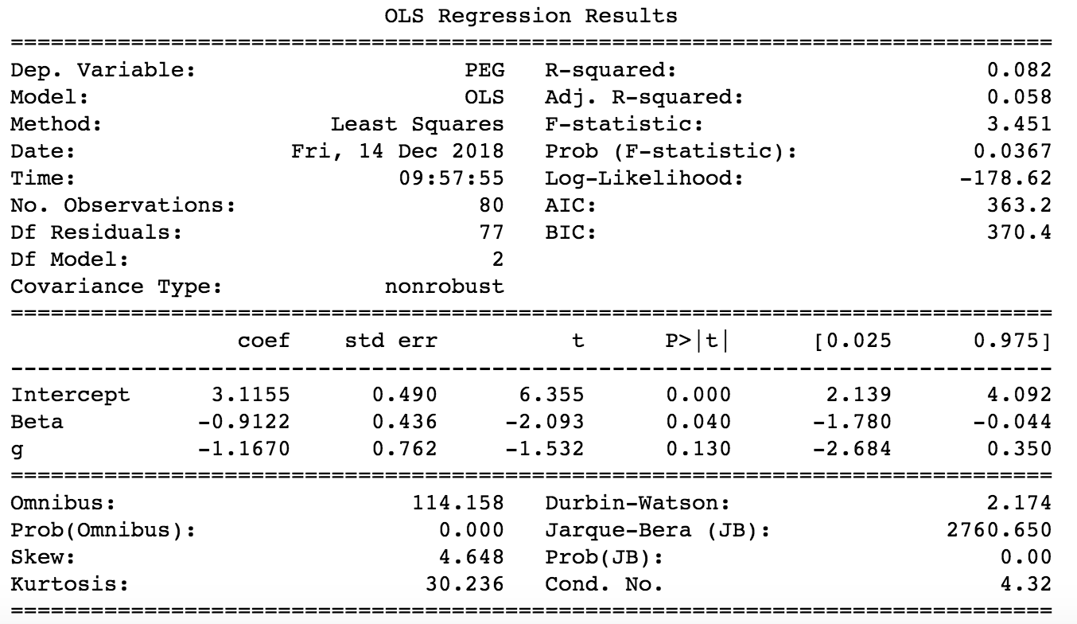
Amkor Technology, Inc. (NasdaqGS:AMKR) | 0 | 0.02 | -0.15 | 1.42 | 2.13 | United States of America (Primary) | 2.96
Quantenna Communications, Inc. (NasdaqGS:QTNA) | 0 | 0.83 | 0.96 | 1.28 | 1.23 | United States of America (Primary) | 0.43
Roper Technologies, Inc. (NYSE:ROP) | 14.4 | 0.14 | 0.24 | 0.96 | 1.14 | United States of America (Primary) | 1.98
FLIR Systems, Inc. (NasdaqGS:FLIR) | 65.3 | 0.12 | 0.17 | 0.78 | 1.09 | United States of America (Primary) | 2.4
Raven Industries, Inc. (NasdaqGS:RAVN) | 32.6 | 0.19 | 0.43 | 0.99 | 1.44 | United States of America (Primary) | 1.6
Vuzix Corporation (NasdaqCM:VUZI) | 0 | 0 | 0 | 0.99 | 1.32 | United States of America (Primary) | -0.39
Johnson & Johnson (NYSE:JNJ) | 605.6 | 0.09 | 0.12 | 0.84 | 0.59 | United States of America (Primary) | 2.18
Pixelworks, Inc. (NasdaqGM:PXLW) | 0 | -0.45 | -0.61 | 0.91 | 1.13 | United States of America (Primary) | 5.39
Imperva, Inc. (NasdaqGS:IMPV) | 0 | -0.04 | -0.47 | -0.3 | 1.28 | United States of America (Primary) | 3.17
Adesto Technologies Corporation (NasdaqCM:IOTS) | 0 | 0 | 0 | 1.1 | 1.83 | United States of America (Primary) | -10.8
Littelfuse, Inc. (NasdaqGS:LFUS) | 31.1 | 0.16 | 0.24 | 1.19 | 0.94 | United States of America (Primary) | 1
Platform Specialty Products Corporation (NYSE:PAH) | 0 | 0 | 0 | 1.4 | 3.01 | United States of America (Primary) | 2.99
Hewlett Packard Enterprise Company (NYSE:HPE) | 29.9 | 0.05 | 0.02 | 1.14 | 1.49 | United States of America (Primary) | 0.89
HP Inc. (NYSE:HPQ) | 16.9 | 0.07 | 0.09 | 1.27 | 1.55 | United States of America (Primary) | 1.08
Alpha and Omega Semiconductor Limited (NasdaqGS:AOSL) | 0 | -0.08 | -0.7 | 0.86 | 0.67 | United States of America (Primary) | 3.42
Radisys Corporation (NasdaqGS:RSYS) | 0 | 0 | 0 | 1.65 | 1.67 | United States of America (Primary) | 14.3
International Business Machines Corporation (NYSE:IBM) | 98.5 | 0.01 | 0 | 1.04 | 1.17 | United States of America (Primary) | 1.25
FireEye, Inc. (NasdaqGS:FEYE) | 0 | 0 | 0 | 1.01 | 0.24 | United States of America (Primary) | 6.92
Silicon Laboratories Inc. (NasdaqGS:SLAB) | 0 | 0.1 | 0.15 | 1.23 | 1.63 | United States of America (Primary) | 1.49
Akamai Technologies, Inc. (NasdaqGS:AKAM) | 0 | 0.24 | 0.35 | 1.06 | 0.54 | United States of America (Primary) | 1.13
Cirrus Logic, Inc. (NasdaqGS:CRUS) | 0 | -0.19 | -0.38 | 0.93 | 0.51 | United States of America (Primary) | 1.02
Alliant Energy Corporation (NYSE:LNT) | 58.8 | 0.08 | 0.12 | 0.28 | 0.2 | United States of America (Primary) | 3.32
VMware, Inc. (NYSE:VMW) | 0 | 0.14 | 0.2 | 1.58 | 0.73 | United States of America (Primary) | 1.7
QuickLogic Corporation (NasdaqGM:QUIK) | 0 | 0 | 0 | 0.67 | -0.14 | United States of America (Primary) | -0.46
NeoPhotonics Corporation (NYSE:NPTN) | 0 | 0 | 0 | 1.55 | 1.11 | United States of America (Primary) | -4.35
Cypress Semiconductor Corporation (NasdaqGS:CY) | 288.5 | 0.15 | 0.49 | 1.27 | 2.11 | United States of America (Primary) | 0.75
Verizon Communications Inc. (NYSE:VZ) | 30 | 0.12 | 0.25 | 0.61 | 0.5 | United States of America (Primary) | 2.52
Alphabet Inc. (NasdaqGS:GOOG.L) | 0 | 0.22 | 0.4 | 1.3 | 1.06 | United States of America (Primary) | 1.41
Digi International Inc. (NasdaqGS:DGII) | 0 | 1.42 | 3.34 | 0.86 | 1.41 | United States of America (Primary) | 1.6
Analog Devices, Inc. (NasdaqGS:ADI) | 47 | 0 | -0.07 | 1.09 | 1.25 | United States of America (Primary) | 1.27
MaxLinear, Inc. (NYSE:MXL) | 0 | -0.09 | -0.26 | 1.29 | 0.83 | United States of America (Primary) | 0.95
Edison International (NYSE:EIX) | 166.2 | 0 | 0 | 0.26 | 0.01 | United States of America (Primary) | 2.78
The Coca-Cola Company (NYSE:KO) | 230.3 | 0.08 | 0.09 | 0.7 | 0.61 | United States of America (Primary) | 3.16
Public Service Enterprise Group Incorporated (NYSE:PEG) | 41 | 0.05 | 0.06 | 0.35 | 0.34 | United States of America (Primary) | 2.59
MACOM Technology Solutions Holdings, Inc. (NasdaqGS:MTSI) | 0 | 0.69 | 0.97 | 2.45 | 2.2 | United States of America (Primary) | 0.9
Qorvo, Inc. (NasdaqGS:QRVO) | 0 | 0.13 | 0.13 | 0.55 | 0.86 | United States of America (Primary) | 0.71
Arista Networks, Inc. (NYSE:ANET) | 0 | 0.26 | 0.38 | 1.25 | 1.54 | United States of America (Primary) | 1.37
OGE Energy Corp. (NYSE:OGE) | 39.9 | 0.06 | 0.08 | 0.32 | 0.62 | United States of America (Primary) | 3.43
PDF Solutions, Inc. (NasdaqGS:PDFS) | 0 | -0.17 | -0.8 | 0.71 | 1.09 | United States of America (Primary) | 3.65
Rudolph Technologies, Inc. (NYSE:RTEC) | 0 | 0.16 | 0.28 | 1.12 | 1.05 | United States of America (Primary) | 1.03
Extreme Networks, Inc. (NasdaqGS:EXTR) | 0 | 0.1 | -0.15 | 1.53 | 0.82 | United States of America (Primary) | 0.58
Inphi Corporation (NYSE:IPHI) | 0 | 0.03 | -0.46 | 1.38 | 1.38 | United States of America (Primary) | 1.2
Cabot Microelectronics Corporation (NasdaqGS:CCMP) | 27.9 | 0.24 | 0.29 | 1.16 | 1.29 | United States of America (Primary) | 1.07
CommScope Holding Company, Inc. (NasdaqGS:COMM) | 0 | 0.01 | 0.01 | 0.98 | 1.12 | United States of America (Primary) | 0.76
CoreLogic, Inc. (NYSE:CLGX) | 0 | 0.09 | 0.15 | 1.02 | 0.67 | United States of America (Primary) | 1.22
Duke Energy Corporation (NYSE:DUK) | 84.7 | 0.04 | 0.04 | 0.14 | -0.05 | United States of America (Primary) | 4.03
Kaiser Aluminum Corporation (NasdaqGS:KALU) | 70.1 | 0.21 | 0.2 | 0.96 | 0.89 | United States of America (Primary) | 0.91
CTS Corporation (NYSE:CTS) | 34.4 | 0.16 | 0.24 | 0.8 | 1.38 | United States of America (Primary) | 0.91
El Paso Electric Company (NYSE:EE) | 53.2 | 0.02 | 0.01 | 0.23 | 0.31 | United States of America (Primary) | 3.42
Viavi Solutions Inc. (NasdaqGS:VIAV) | 0 | 0.22 | 0.29 | 0.52 | 1.46 | United States of America (Primary) | 1.08
PerkinElmer, Inc. (NYSE:PKI) | 24.6 | 0.18 | 0.24 | 1.18 | 1.11 | United States of America (Primary) | 1.34
Everspin Technologies, Inc. (NasdaqGM:MRAM) | 0 | 0 | 0 | 2.26 | 2.25 | United States of America (Primary) | -0.35
Amazon.com, Inc. (NasdaqGS:AMZN) | 0 | 1.42 | 3.32 | 1.33 | 1.72 | United States of America (Primary) | 1.47
Vocera Communications, Inc. (NYSE:VCRA) | 0 | 0.41 | 0.56 | 0.61 | 0.23 | United States of America (Primary) | 4.47
Consolidated Edison, Inc. (NYSE:ED) | 53.6 | 0.02 | 0.04 | 0.2 | 0.02 | United States of America (Primary) | 6.52
Comcast Corporation (NasdaqGS:CMCS.A) | 13.3 | 0.17 | 0.24 | 0.98 | 0.93 | United States of America (Primary) | 1.01
Acacia Communications, Inc. (NasdaqGS:ACIA) | 0 | -0.1 | -0.54 | 1.02 | 1.72 | United States of America (Primary) | 2.32
AbbVie Inc. (NYSE:ABBV) | 68.2 | 0.25 | 0.42 | 1.66 | 1.68 | United States of America (Primary) | 0.97
Tesla, Inc. (NasdaqGS:TSLA) | 0 | 0 | 0 | 0.47 | 0.54 | United States of America (Primary) | 0.5
Universal Display Corporation (NasdaqGS:OLED) | 13.7 | 0.02 | -0.53 | 1.05 | 1.56 | United States of America (Primary) | 1.61
IPG Photonics Corporation (NasdaqGS:IPGP) | 0 | -0.01 | 0.02 | 1.07 | 1.74 | United States of America (Primary) | 2.32
KLA-Tencor Corporation (NasdaqGS:KLAC) | 46 | 0.07 | 0.11 | 1.35 | 1.51 | United States of America (Primary) | 1.54
Omnicell, Inc. (NasdaqGS:OMCL) | 0 | 0.35 | 0.54 | 1.4 | 0.98 | United States of America (Primary) | 2.03
Juniper Networks, Inc. (NYSE:JNPR) | 98.8 | -0.02 | -0.12 | 0.95 | 0.81 | United States of America (Primary) | 1.18
Acuity Brands, Inc. (NYSE:AYI) | 6.12 | 0.08 | 0.06 | 1.42 | 1.54 | United States of America (Primary) | 1.12
Xilinx, Inc. (NasdaqGS:XLNX) | 61.4 | 0.13 | 0.19 | 0.88 | 0.87 | United States of America (Primary) | 2.7
Advanced Micro Devices, Inc. (NasdaqGS:AMD) | 0 | 0.93 | 1.71 | 2.09 | 3.69 | United States of America (Primary) | 2.64
Facebook, Inc. (NasdaqGS:FB) | 0 | 0 | 0 | 1.17 | 0.53 | United States of America (Primary) | 1.01
Dolby Laboratories, Inc. (NYSE:DLB) | 54.1 | 0.09 | 0.05 | 0.85 | 0.72 | United States of America (Primary) | 1.84
Symantec Corporation (NasdaqGS:SYMC) | 14.9 | 0.02 | -0.09 | 0.67 | 0.71 | United States of America (Primary) | 1.43
Texas Instruments Incorporated (NasdaqGS:TXN) | 51.9 | 0.13 | 0.27 | 1.19 | 1.3 | United States of America (Primary) | 1.44
Intel Corporation (NasdaqGS: INTC) | 35.93% | 0.14 | 0.15 | 1..03 | 1.09 | United States of America (Primary) | 1.1

handpick set
Handpicked companies are selected by the most similar business compared with Intel
Mostly the competitors of Intel products on CPU, Server chips, SSD, Mibile Modem

Company Name | Payout Ratio [LTM] (%) | Est. Annual EPS Growth - 2 Yr % | Est. Annual EPS Growth - 1 Yr % | 1 Year Beta | 5 Year Beta | Geographic Locations | PEG Ratio [Forward -NTM]
Xilinx, Inc. (NasdaqGS:XLNX) | 0.61 | 12.9 | 0.13 | 0.88 | 0.87 | United States of America (Primary) | 2.67
Cypress Semiconductor Corporation (NasdaqGS:CY) | 2.89 | 15.7 | 0.16 | 1.27 | 2.11 | United States of America (Primary) | 0.74
Microchip Technology Incorporated (NasdaqGS:MCHP) | 12.33 | 15.2 | 0.15 | 1.19 | 1.24 | United States of America (Primary) | 0.82
NVIDIA Corporation (NasdaqGS:NVDA) | 0.08 | 22.3 | 0.22 | 1.91 | 1.97 | United States of America (Primary) | 1.52
QUALCOMM Incorporated (NasdaqGS:QCOM) | 0 | 16.4 | 0.16 | 0.97 | 1.67 | United States of America (Primary) | 1.35
Texas Instruments Incorporated (NasdaqGS:TXN) | 0.52 | 12.7 | 0.13 | 1.19 | 1.3 | United States of America (Primary) | 1.41
Micron Technology, Inc. (NasdaqGS:MU) | 0 | -12.8 | -0.13 | 1.67 | 1.63 | United States of America (Primary) | 0.34
Broadcom Inc. (NasdaqGS:AVGO) | 0.24 | 12.4 | 0.12 | 0.85 | 0.97 | United States of America (Primary) | 0.78
MACOM Technology Solutions Holdings, Inc. (NasdaqGS:MTSI) | 0 | 68.9 | 0.69 | 2.44 | 2.2 | United States of America (Primary) | 0.88
STMicroelectronics N.V. (ENXTPA:STM) | 0.36 | 20.1 | 0.2 | 1.73 | 0.93 | United States of America (Primary) | 0.54
Apple Inc. (NasdaqGS:AAPL) | 0.23 | 10.8 | 0.11 | 0.99 | 1.19 | United States of America (Primary) | 0.98
Silicon Motion Technology Corporation (NasdaqGS:SIMO) | 0 | 11.8 | 0.12 | 0.91 | 0.86 | United States of America (Primary) | 0.52
Monolithic Power Systems, Inc. (NasdaqGS:MPWR) | 0.48 | 23.1 | 0.23 | 1.24 | 1.52 | United States of America (Primary) | 1.19
Maxim Integrated Products, Inc. (NasdaqGS:MXIM) | 0.91 | 4.5 | 0.05 | 1 | 1.33 | United States of America (Primary) | 1.91
HP Inc. (NYSE:HPQ) | 0.17 | 6.7 | 0.07 | 1.27 | 1.54 | United States of America (Primary) | 1.1
International Business Machines Corporation (NYSE:IBM) | 0.99 | 0.5 | 0.01 | 1.03 | 1.17 | United States of America (Primary) | 1.23
Skyworks Solutions, Inc. (NasdaqGS:SWKS) | 0.26 | 6.5 | 0.07 | 0.62 | 0.58 | United States of America (Primary) | 0.7
Intel Corporation (NasdaqGS: INTC) | 0.36 | 14.2 | 0.15 | 1..03 | 1.09 | United States of America (Primary) | 1.1
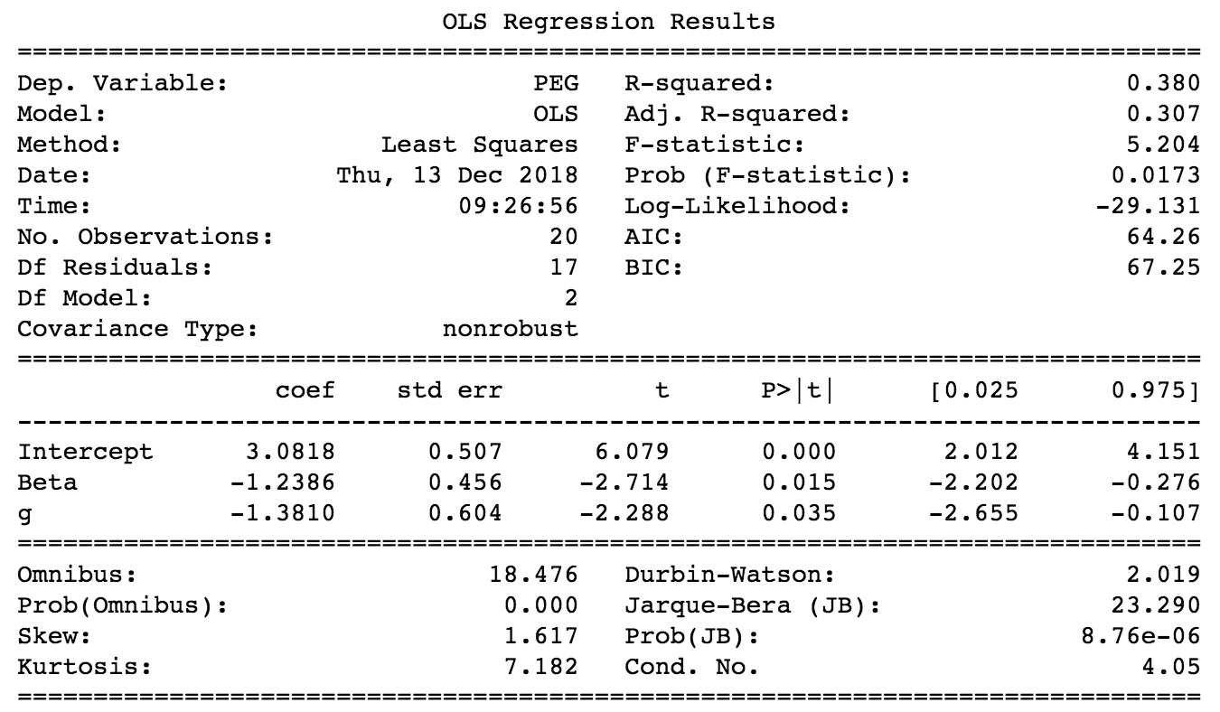
Intel Corporation (NasdaqGS:INTC)

